Cover Letter
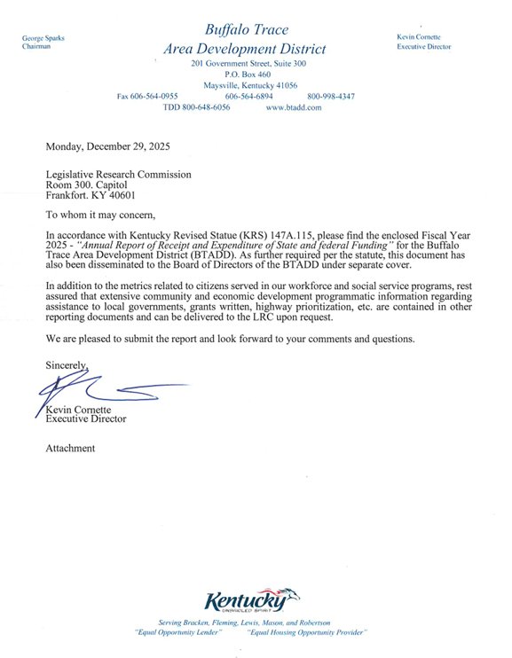

Carryover (Reserves)
Buffalo Trace Area Development District

Total amount of Reserves for FY

Source of Funds: | Amount | Explanation as to why funds are being carried forward:
Non-Profit Housing Loan Program | $1,967 | As loans are repaid, funds are accumulated to make additional loans.
CDBG Loan Program | $4,617 | As loans are repaid, funds are accumulated to make additional loans.
Revolving Loan Fund | $79,827 | As loans are repaid, funds are accumulated to make additional loans.
Intermediary Relending Program | $4,694 | As loans are repaid, funds are accumulated to make additional loans.
Maysville Revolving Loan Program | $- | As loans are repaid, funds are accumulated to make additional loans.
SBA MicroLoan RLF Program | $(474) | As loans are repaid, funds are accumulated to make additional loans.
Agriculture RLF Program | $(73,046) | As loans are repaid, funds are accumulated to make additional loans.
Rural Business Entrepreneur Grant Program | $6,705 | As loans are repaid, funds are accumulated to make additional loans.
LESS than total on pg 42 d/t eda jfa dep EX on expired grant of $16,593
BTRHA ARC Program | $- | As loans are repaid, funds are accumulated to make additional loans.
CARES EDA RLF | $23,400 | As loans are repaid, funds are accumulated to make additional loans.
Surplus from Performance Based Contracts | $1,250,092 | Performance based contracts are fee for service and any funds not utilized are carried forward for future services.
 | $168,806
 | $479,042 | Non Cash Pension Expense Adjustment to reflect agency's proportionate share of the net pension liability related to the County Employee Retirement System
 | $1,945,630

